Feuil1
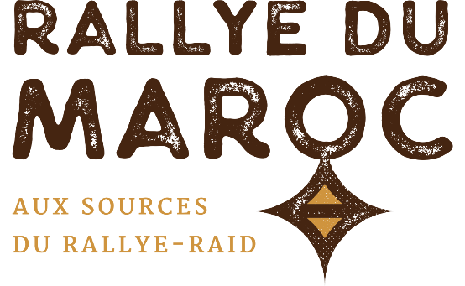
 | NAME (Last, 1st)* :
 | Team* :
 | Phone* :
 | Email* :

 | All fields marked with an asterisk (*) are required

 |  | RALLYE DU MAROC 2021 4X4 - BUGGY TYRES

 |  | BRAND | SIZE | PROFILE (click to see the product sheet !) |  | QTY | PRICE PER UNIT | TOTAL*
 | 15" |  | 33x10.50-15 | BAJA T/A |  |  | 450.00 € | 0.00 €
 |  |  | 35x12.50-15 | ALL TERRAIN KDR2+ M | MEDIUM |  | 560.00 € | 0.00 €
 | 16" |  | 245/80-16 | ALL TERRAIN KDR2+ M | MEDIUM |  | 710.00 € | 0.00 €
 |  |  | 245/80-16 | ALL TERRAIN KDR2+ S | SOFT |  | 710.00 € | 0.00 €
 |  |  | 245/80-16 | ALL TERRAIN KDR C | PROMO ! |  | 470.00 € | 0.00 €
 |  |  | 215/85-16 | G2 COMPETITION |  |  | 495.00 € | 0.00 €
 | 17" |  | 35x12.50-17 | ALL TERRAIN KDR2+ M | MEDIUM |  | 680.00 € | 0.00 €
 |  |  | 37x12.50-17 | ALL TERRAIN KDR2+ S | SOFT |  | 765.00 € | 0.00 €
 |  |  | 37x12.50-17 | ALL TERRAIN KDR2+ M | MEDIUM |  | 765.00 € | 0.00 €
 |  | ORDER TOTAL : |  |  |  |  |  | 0.00 €
*Professionals ordering in Europe can retrieve the 20% VAT (shipping in Europe at their charge). Contact us.

 | These prices include transport, storage and assembly on the rally. Other sizes : contact us

 |  | DISTRIBUTOR

