Feuil1
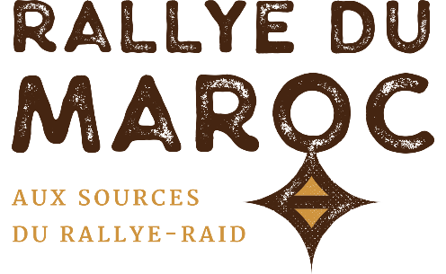
NAME (Last, 1st)* :
Team* :
Phone* :
Email* :

All fields marked with an asterisk (*) are required

RALLYE DU MAROC 2021 ATV / SSV TYRES

 | BRAND | SIZE | PROFILE (click to see the product sheet !) | QTY | PRICE PER UNIT | TOTAL*
14" |  | 28x10.00-14 | KM3 |  | 200.00 € | 0.00 €
 |  | 30x10.00-14 | KM3 |  | 210.00 € | 0.00 €
 |  | 32x10.00-14 | KM3 |  | 230.00 € | 0.00 €
15" |  | 30x10.00-15 | KM3 |  | 215.00 € | 0.00 €
 |  | 32x10.00-15 | KM3 |  | 230.00 € | 0.00 €
 |  | 35x11.00-15 | KM3 |  | 235.00 € | 0.00 €
 |  | 30x9.50-15 | BAJA KR2 |  | 385.00 € | 0.00 €
 | ORDER TOTAL : |  |  |  |  | 0.00 €
*Professionals ordering in Europe can retrieve the 20% VAT (shipping in Europe at their charge). Contact us.

These prices include transport, storage and assembly on the rally.
Other sizes : contact us.
 |  |  | Ces tarifs incluent le transport, le stockage & le montage sur le rallye.

DISTRIBUTEUR
DISTRIBUTOR

